Sheet1
BURST ORALCARE

SR NO. | TEST SCENARIO ID | MODULE | TEST SCENARIO DESCRIPTION | TEST CASE ID | TEST CASE DESCRIPTION | TEST STEPS | TEST DATA | EXPECTED RESULT | ACTUAL RESULT | STATUS | SCREENSHOT
1 | TC_001 | Sign up | verify whether if user is able to signup | TC_001_01 | verify whether if user is able to sign up with valid data | 1.enter valid user email id 2. click on sign up button | url :- https://burstoralcare.com/ email :-helloworld@test.com | user should able to sign up with valid data | user is able to sign up with valid data | pass
 |  |  |  | TC_001_02 | verify whether if user is able to sign up with upper case in email field | 1.enter valid user email id 2. click on sign up button | url :- https://burstoralcare.com/ email :-HELLOWORLD@TEST.COM | user should able too sign up with upper case in email field | user is able too sign up with upper case in email field | pass
 |  |  |  | TC_001_03 | verify whether if user is able to sign up with space in email id field | 1.enter valid user email id 2. click on sign up button | url :- https://burstoralcare.com/ email :-hello world@test.com | user should not able to sign up with space in email id field | user is not able to sign up with space in email id field | pass
 |  |  |  | TC_001_04 | verify whether if user is able to see pop up msg on clicking on sign up button with invalid email id | 1.enter valid user email id 2. click on sign up button | url :- https://burstoralcare.com/ email :-hello123 world@test.com | user should able to see pop up msg on clicking on sign up button with invalid email id | user is able to see pop up msg on clicking on sign up button with invalid email id | pass
 |  |  |  | TC_001_05 | verify whether if user is able to sign up with invalid email id | 1.enter invalid user email id 2. click on sign up button | url :- https://burstoralcare.com/ email :-hello1234worldtest.com | user should not able to sign up with invalid email id | user is not able to sign up with invalid email id | pass
 |  |  |  | TC_001_06 | Verify whether if user is able to sign up with existing email | 1.enter existing user email id 2. click on sign up button | url :- https://burstoralcare.com/ email :-helloworld@test.com | user should not able to sign up with existing email | user is able to sign up with existing email | fail | 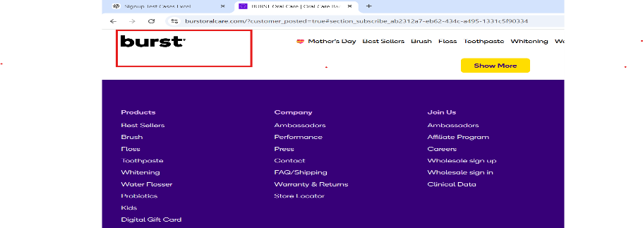
 |  |  |  | TC_001_07 | Verify whether if user is able to click on signup button | 1.enter valid user email id 2. click on sign up button | url :- https://burstoralcare.com/ email :-helloworld@test.com | user should able to click on signup button | user should able to click on signup button | pass
 |  |  |  | TC_001_08 | Verify whether if user is able to sign up with empty email field and show error pop up message | 1.enter valid user email id 2. click on sign up button | url :- https://burstoralcare.com/ email :- | user should not able to sign up with empty email field | user is not able to sign up with empty email field but does not showing a pop up message | 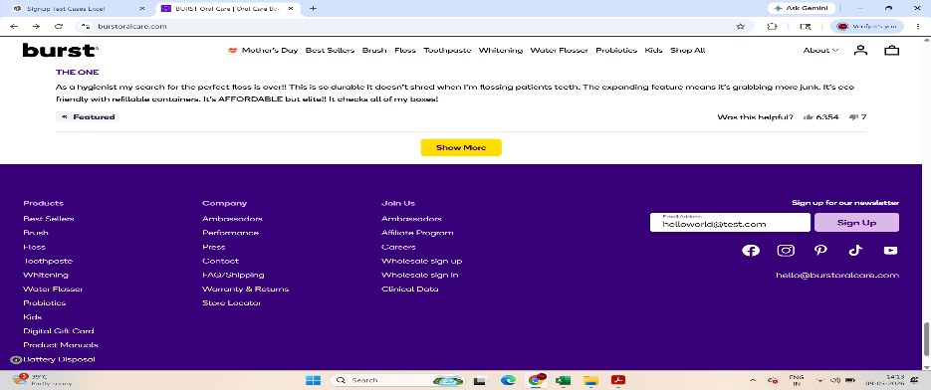 fail
 |  |  |  | TC_001_09 | verify whether if user is able to click on sign up button by entering valid email id | 1.enter valid user email id 2. click on sign up button | url :- https://burstoralcare.com/ email :-helloworld@test.com | user should able to click on sign up button by entering valid email id | user is able to click on sign up button by entering valid email id | pass
 |  |  |  | TC_001_10 | verify whether if user is able to sign up with facebook | 1.enter valid facebook id and password 2. click on sign up button | url :- https://burstoralcare.com/ facebook id :-helloworld@test.com password :-12345678 | user should able to click on sign up button by entering valid facebook credentials | user is able to click on sign up button by entering valid facebook credentials | fail | 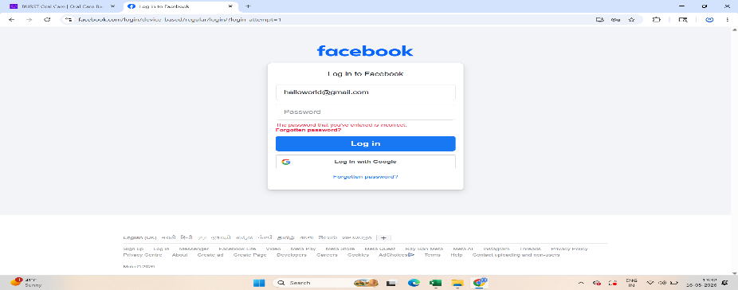

2 | TC_002 | Product search | verify whether if user is able to search the specific product | TC_002_01 | verify whether if user is able to search product with valid product name | 1.enter valid user email id 2. click on sign up button 3.go to search bar and search product | url :- https://burstoralcare.com/ email :-helloworld@test.com search product | user should able to search product with valid product name | user is able to search product with valid product name | pass

